1. Guidance
Object Name in SF to import to:
Ledger Template to "Ledger" Object
Budget-OUTPUT for upload Template to "Financial Cube" Object

Related Accounting Seed University and Knowledge Base Articles:
https://support.accountingseed.com/hc/en-us/articles/217569897-Creating-Budgets
https://www.accountingseed.com/accounting-seed-university-general-ledger-lesson-3

Guidance:

Note that the column header titles correspond exactly to what the reference fields are named. This enables the Data Import Wizard tool to auto-map the fields in the template to the object. These columns are not meant to be an exhaustive list of all the fields available on the object, but only the most commonly used. You can easily add additional fields to import by reviewing the object and creating a new column for that field. To maintain auto-mapping, please keep the same naming convention in the template as in the object's field.

1. Verify and make sure all accounting periods for the budget year are created in Accounting Seed.

2. When creating a Budget in Accounting Seed, Financial Cubes have a Look-Up to the Ledger in Accounting Seed. To maintain this relationship, the Ledger(s) (on worksheet 2) must be created prior to uploading the Budget (on worksheet 3) to the Financial Cube object.

3. Ledger field (column A) of worksheet 3 & 4 (Budget Input & Output) must be equal to Ledger Name field (column A) of worksheet 2 in order to match up and establish the master-detail relationship between Ledger and Budget. You can import the Ledger template to the Ledger object in Salesforce. However, it would be more easier and more efficient to create the Ledger manually. Navigate to Accounting Home > General Ledger Setup > Ledgers to create a Budget Ledger.

4. In order for you to upload a Budget, it requires the information to be imported in a non-cross tabular format (see worksheet 4.). However, Accounting Seed understands that this can cause difficulties in the preparation process of a budget as most budgets are prepared in a cross tabular format. To make the process simpler, we have added an intermediary step (see worksheet 3) where you may enter your budget details in a cross tabular format. This workbook contains an embedded Microsoft Query that takes the information in worksheet 3 and converts and unpivots the data into the required format on worksheet 4. NOTE: This import template requires the ability to run Microsoft Query and therefore is only compatible with Windows PC users running Microsoft Excel 2016 or later. If you are a MAC user or running an earlier version of Microsoft Excel, you can not use this import template. You should use the import template titled "Budget Template - Standard". If you meet the aforementioned requirements, you may use the import template titled "Budget Template - PC Excel 2016 Only".

5. Enter your budget information on worksheet 3 (Budget - Query Input). - Ledger, Year, Cube Type and GL Account are all required fields. - GL Account is a Look Up to the GL Account Name on the GL Account object. Therefore it should match exactly. Alternatively, you may use the Salesforce ID. - What is input on the Excel Table in worksheet 3 will be output by the Query to worksheet 4.

6. Go to worksheet 4 (Budget-Output for upload) and navigate to your Data toolbar and click Refresh All. This will initiate the Query and take the data in worksheet 3 and output it into a suitable format in worksheet 4.
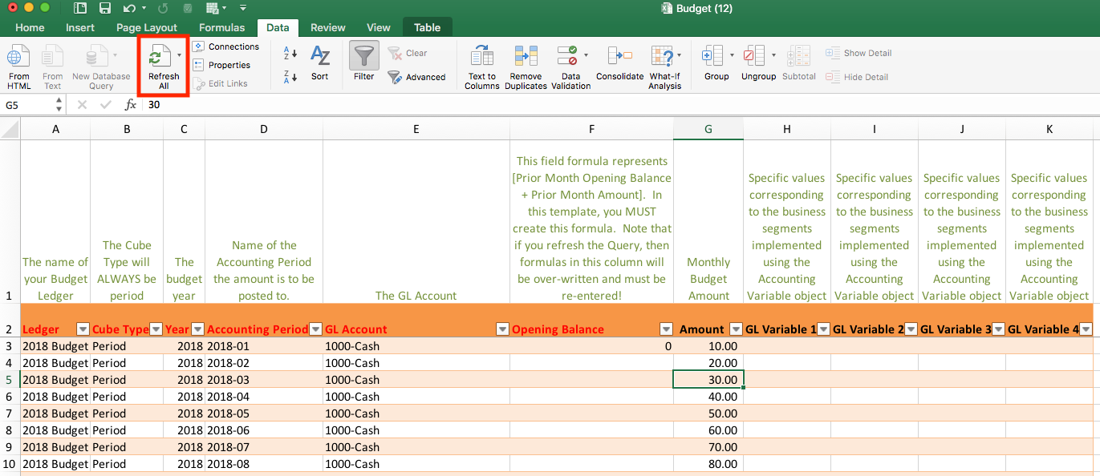

7. On worksheet 4, the Opening Balances column (column F) must be populated with a formula. If Accounting Period = Period 1 (or 2018-01), then the Opening Balance should be zero. If Accounting Period = Period 2 - 12 (or 2018-02 - 2018-12), then formula should be [Prior Opening Balance + Prior Month Budget = Current Month Opening Balance]. An example is in Column M & N for your reference. Note that if you refresh the Query, then these formulas will be over-written and you will have to re-enter.

8. Upload the Budget template (worksheet 4) to the Financial Cubes object in Salesforce. Match by: i. Accounting Period ii. Accounting Variable (if applicable) iii. GL Account Field iv. Ledger field

9. Save your file as a *.csv file. Delete any rows and columns that are not pertinent to the upload (i.e. Instruction row, Key legend, etc.). Delete any worksheets that are not pertinent to the upload. The Data Loader App and Data Import Wizard tool will not support multiple worksheets in a workbook.

10. Upload either using Data Import Wizard or Data Loader App. Please see following series of Salesforce help knowledge articles on the importing process and how to use the Data Import Wizard or Data Loader App: https://help.salesforce.com/articleView?id=importing.htm&type=5

11. Once upload of the Ledger and Budget is complete and successful, verify that your upload is successful by going to Accounting Home > Financial Reports and run a P&L Versus Budget report to verify that the amounts were properly uploaded.

